Order Form
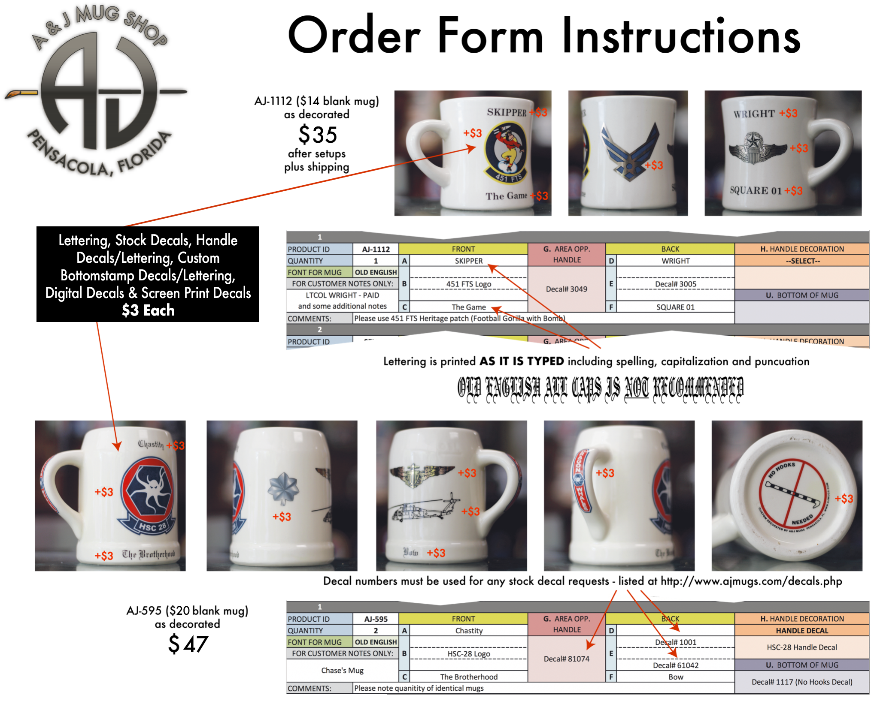
 |  | A & J MUG SHOP STANDARD ORDER FORM (2024 New Version)
 |  | A & J Mug Shop | Send Completed Order Forms to: orders@ajmugs.com
 |  | 24 N. Palafox St. | Send Artwork Related Questions to: art@ajmugs.com
 |  | Pensacola, FL 32502 | Web: www.ajmugs.com
 |  | Phone: (850)434-2203 | Please fill out ALL contact information below
 |  | Fax: (850)434-2204 | Order forms without all contact information will not be accepted

→→→→→→ PLEASE SEE "ORDER FORM INSTRUCTIONS" FOR DETAILED ORDERING INFORMATION →→→→→→

ORGANIZATION |  |  | SHIPPING ADDRESS
POC NAME
EMAIL
CIVILIAN EMAIL
PHONE
ORDER DATE
FILL OUT FORM BELOW TO CUSTOMIZE EACH CERAMIC. DECALS MAY BE MOVED OR ARRANGED AS NECESSARY TO ACHIEVE PROPER FIT.

1
PRODUCT ID | --SELECT-- | FRONT | G. AREA OPP. HANDLE | BACK | H. HANDLE DECORATION
QUANTITY | 1 | A |  | D | --SELECT--
FONT FOR MUG | --SELECT-- | B |  | E

 |  |  |  |  | U. BOTTOM OF MUG
 |  | C |  | F
COMMENTS:
2
PRODUCT ID | --SELECT-- | FRONT | G. AREA OPP. HANDLE | BACK | H. HANDLE DECORATION
QUANTITY | 1 | A |  | D | --SELECT--
FONT FOR MUG | --SELECT-- | B |  | E

 |  |  |  |  | U. BOTTOM OF MUG
 |  | C |  | F
COMMENTS:
3
PRODUCT ID | --SELECT-- | FRONT | G. AREA OPP. HANDLE | BACK | H. HANDLE DECORATION
QUANTITY | 1 | A |  | D | --SELECT--
FONT FOR MUG | --SELECT-- | B |  | E

 |  |  |  |  | U. BOTTOM OF MUG
 |  | C |  | F
COMMENTS:
4
PRODUCT ID | --SELECT-- | FRONT | G. AREA OPP. HANDLE | BACK | H. HANDLE DECORATION
QUANTITY | 1 | A |  | D | --SELECT--
FONT FOR MUG | --SELECT-- | B |  | E

 |  |  |  |  | U. BOTTOM OF MUG
 |  | C |  | F
COMMENTS:
5
PRODUCT ID | --SELECT-- | FRONT | G. AREA OPP. HANDLE | BACK | H. HANDLE DECORATION
QUANTITY | 1 | A |  | D | --SELECT--
FONT FOR MUG | --SELECT-- | B |  | E

 |  |  |  |  | U. BOTTOM OF MUG
 |  | C |  | F
COMMENTS:
6
PRODUCT ID | --SELECT-- | FRONT | G. AREA OPP. HANDLE | BACK | H. HANDLE DECORATION
QUANTITY | 1 | A |  | D | --SELECT--
FONT FOR MUG | --SELECT-- | B |  | E

 |  |  |  |  | U. BOTTOM OF MUG
 |  | C |  | F
COMMENTS:
7
PRODUCT ID | --SELECT-- | FRONT | G. AREA OPP. HANDLE | BACK | H. HANDLE DECORATION
QUANTITY | 1 | A |  | D | --SELECT--
FONT FOR MUG | --SELECT-- | B |  | E

 |  |  |  |  | U. BOTTOM OF MUG
 |  | C |  | F
COMMENTS:

8
PRODUCT ID | --SELECT-- | FRONT | G. AREA OPP. HANDLE | BACK | H. HANDLE DECORATION
QUANTITY | 1 | A |  | D | --SELECT--
FONT FOR MUG | --SELECT-- | B |  | E

 |  |  |  |  | U. BOTTOM OF MUG
 |  | C |  | F
COMMENTS:
9
PRODUCT ID | --SELECT-- | FRONT | G. AREA OPP. HANDLE | BACK | H. HANDLE DECORATION
QUANTITY | 1 | A |  | D | --SELECT--
FONT FOR MUG | --SELECT-- | B |  | E

 |  |  |  |  | U. BOTTOM OF MUG
 |  | C |  | F
COMMENTS:
10
PRODUCT ID | --SELECT-- | FRONT | G. AREA OPP. HANDLE | BACK | H. HANDLE DECORATION
QUANTITY | 1 | A |  | D | --SELECT--
FONT FOR MUG | --SELECT-- | B |  | E

 |  |  |  |  | U. BOTTOM OF MUG
 |  | C |  | F
COMMENTS:
11
PRODUCT ID | --SELECT-- | FRONT | G. AREA OPP. HANDLE | BACK | H. HANDLE DECORATION
QUANTITY | 1 | A |  | D | --SELECT--
FONT FOR MUG | --SELECT-- | B |  | E

 |  |  |  |  | U. BOTTOM OF MUG
 |  | C |  | F
COMMENTS:
12
PRODUCT ID | --SELECT-- | FRONT | G. AREA OPP. HANDLE | BACK | H. HANDLE DECORATION
QUANTITY | 1 | A |  | D | --SELECT--
FONT FOR MUG | --SELECT-- | B |  | E

 |  |  |  |  | U. BOTTOM OF MUG
 |  | C |  | F
COMMENTS:

13
PRODUCT ID | --SELECT-- | FRONT | G. AREA OPP. HANDLE | BACK | H. HANDLE DECORATION
QUANTITY | 1 | A |  | D | --SELECT--
FONT FOR MUG | --SELECT-- | B |  | E

 |  |  |  |  | U. BOTTOM OF MUG
 |  | C |  | F
COMMENTS:
14
PRODUCT ID | --SELECT-- | FRONT | G. AREA OPP. HANDLE | BACK | H. HANDLE DECORATION
QUANTITY | 1 | A |  | D | --SELECT--
FONT FOR MUG | --SELECT-- | B |  | E

 |  |  |  |  | U. BOTTOM OF MUG
 |  | C |  | F
COMMENTS:
15
PRODUCT ID | --SELECT-- | FRONT | G. AREA OPP. HANDLE | BACK | H. HANDLE DECORATION
QUANTITY | 1 | A |  | D | --SELECT--
FONT FOR MUG | --SELECT-- | B |  | E

 |  |  |  |  | U. BOTTOM OF MUG
 |  | C |  | F
COMMENTS:
16
PRODUCT ID | --SELECT-- | FRONT | G. AREA OPP. HANDLE | BACK | H. HANDLE DECORATION
QUANTITY | 1 | A |  | D | --SELECT--
FONT FOR MUG | --SELECT-- | B |  | E

 |  |  |  |  | U. BOTTOM OF MUG
 |  | C |  | F
COMMENTS:
17
PRODUCT ID | --SELECT-- | FRONT | G. AREA OPP. HANDLE | BACK | H. HANDLE DECORATION
QUANTITY | 1 | A |  | D | --SELECT--
FONT FOR MUG | --SELECT-- | B |  | E

 |  |  |  |  | U. BOTTOM OF MUG
 |  | C |  | F
COMMENTS:

18
PRODUCT ID | --SELECT-- | FRONT | G. AREA OPP. HANDLE | BACK | H. HANDLE DECORATION
QUANTITY | 1 | A |  | D | --SELECT--
FONT FOR MUG | --SELECT-- | B |  | E

 |  |  |  |  | U. BOTTOM OF MUG
 |  | C |  | F
COMMENTS:
19
PRODUCT ID | --SELECT-- | FRONT | G. AREA OPP. HANDLE | BACK | H. HANDLE DECORATION
QUANTITY | 1 | A |  | D | --SELECT--
FONT FOR MUG | --SELECT-- | B |  | E

 |  |  |  |  | U. BOTTOM OF MUG
 |  | C |  | F
COMMENTS:
20
PRODUCT ID | --SELECT-- | FRONT | G. AREA OPP. HANDLE | BACK | H. HANDLE DECORATION
QUANTITY | 1 | A |  | D | --SELECT--
FONT FOR MUG | --SELECT-- | B |  | E

 |  |  |  |  | U. BOTTOM OF MUG
 |  | C |  | F
COMMENTS:
21
PRODUCT ID | --SELECT-- | FRONT | G. AREA OPP. HANDLE | BACK | H. HANDLE DECORATION
QUANTITY | 1 | A |  | D | --SELECT--
FONT FOR MUG | --SELECT-- | B |  | E

 |  |  |  |  | U. BOTTOM OF MUG
 |  | C |  | F
COMMENTS:
22
PRODUCT ID | --SELECT-- | FRONT | G. AREA OPP. HANDLE | BACK | H. HANDLE DECORATION
QUANTITY | 1 | A |  | D | --SELECT--
FONT FOR MUG | --SELECT-- | B |  | E

 |  |  |  |  | U. BOTTOM OF MUG
 |  | C |  | F
COMMENTS:

23
PRODUCT ID | --SELECT-- | FRONT | G. AREA OPP. HANDLE | BACK | H. HANDLE DECORATION
QUANTITY | 1 | A |  | D | --SELECT--
FONT FOR MUG | --SELECT-- | B |  | E

 |  |  |  |  | U. BOTTOM OF MUG
 |  | C |  | F
COMMENTS:
24
PRODUCT ID | --SELECT-- | FRONT | G. AREA OPP. HANDLE | BACK | H. HANDLE DECORATION
QUANTITY | 1 | A |  | D | --SELECT--
FONT FOR MUG | --SELECT-- | B |  | E

 |  |  |  |  | U. BOTTOM OF MUG
 |  | C |  | F
COMMENTS:
25
PRODUCT ID | --SELECT-- | FRONT | G. AREA OPP. HANDLE | BACK | H. HANDLE DECORATION
QUANTITY | 1 | A |  | D | --SELECT--
FONT FOR MUG | --SELECT-- | B |  | E

 |  |  |  |  | U. BOTTOM OF MUG
 |  | C |  | F
COMMENTS:
26
PRODUCT ID | --SELECT-- | FRONT | G. AREA OPP. HANDLE | BACK | H. HANDLE DECORATION
QUANTITY | 1 | A |  | D | --SELECT--
FONT FOR MUG | --SELECT-- | B |  | E

 |  |  |  |  | U. BOTTOM OF MUG
 |  | C |  | F
COMMENTS:
27
PRODUCT ID | --SELECT-- | FRONT | G. AREA OPP. HANDLE | BACK | H. HANDLE DECORATION
QUANTITY | 1 | A |  | D | --SELECT--
FONT FOR MUG | --SELECT-- | B |  | E

 |  |  |  |  | U. BOTTOM OF MUG
 |  | C |  | F
COMMENTS:

28
PRODUCT ID | --SELECT-- | FRONT | G. AREA OPP. HANDLE | BACK | H. HANDLE DECORATION
QUANTITY | 1 | A |  | D | --SELECT--
FONT FOR MUG | --SELECT-- | B |  | E

 |  |  |  |  | U. BOTTOM OF MUG
 |  | C |  | F
COMMENTS:
29
PRODUCT ID | --SELECT-- | FRONT | G. AREA OPP. HANDLE | BACK | H. HANDLE DECORATION
QUANTITY | 1 | A |  | D | --SELECT--
FONT FOR MUG | --SELECT-- | B |  | E

 |  |  |  |  | U. BOTTOM OF MUG
 |  | C |  | F
COMMENTS:
30
PRODUCT ID | --SELECT-- | FRONT | G. AREA OPP. HANDLE | BACK | H. HANDLE DECORATION
QUANTITY | 1 | A |  | D | --SELECT--
FONT FOR MUG | --SELECT-- | B |  | E

 |  |  |  |  | U. BOTTOM OF MUG
 |  | C |  | F
COMMENTS:
31
PRODUCT ID | --SELECT-- | FRONT | G. AREA OPP. HANDLE | BACK | H. HANDLE DECORATION
QUANTITY | 1 | A |  | D | --SELECT--
FONT FOR MUG | --SELECT-- | B |  | E

 |  |  |  |  | U. BOTTOM OF MUG
 |  | C |  | F
COMMENTS:
32
PRODUCT ID | --SELECT-- | FRONT | G. AREA OPP. HANDLE | BACK | H. HANDLE DECORATION
QUANTITY | 1 | A |  | D | --SELECT--
FONT FOR MUG | --SELECT-- | B |  | E

 |  |  |  |  | U. BOTTOM OF MUG
 |  | C |  | F
COMMENTS:

33
PRODUCT ID | --SELECT-- | FRONT | G. AREA OPP. HANDLE | BACK | H. HANDLE DECORATION
QUANTITY | 1 | A |  | D | --SELECT--
FONT FOR MUG | --SELECT-- | B |  | E

 |  |  |  |  | U. BOTTOM OF MUG
 |  | C |  | F
COMMENTS:
34
PRODUCT ID | --SELECT-- | FRONT | G. AREA OPP. HANDLE | BACK | H. HANDLE DECORATION
QUANTITY | 1 | A |  | D | --SELECT--
FONT FOR MUG | --SELECT-- | B |  | E

 |  |  |  |  | U. BOTTOM OF MUG
 |  | C |  | F
COMMENTS:
35
PRODUCT ID | --SELECT-- | FRONT | G. AREA OPP. HANDLE | BACK | H. HANDLE DECORATION
QUANTITY | 1 | A |  | D | --SELECT--
FONT FOR MUG | --SELECT-- | B |  | E

 |  |  |  |  | U. BOTTOM OF MUG
 |  | C |  | F
COMMENTS:
36
PRODUCT ID | --SELECT-- | FRONT | G. AREA OPP. HANDLE | BACK | H. HANDLE DECORATION
...

